Sheet1
UIC Center on Integrated Health Care & Self-Directed Recovery, Diabetes Registry |  |  |  |  |  |  |  |  |  |  |  |  | DO NOT EDIT THIS DATE. IT UPDATES AUTOMATICALLY.
 |  |  |  |  |  |  |  |  |  |  |  |  |  |  | Today's date: |  | 2020-10-14
Instructions: Enter patient's information in the appropriate cell. The date at the top and conditional formatting of the cells automatically update each day.
Patient Name (Last, First) | DOB | Sex/Gender | Pt ID Number | Provider | Last A1C | Date of last A1C | LDL | Date of last LDL | TriG | Date of last TriG | Systolic BP | Diastolic BP | Date of last BP | BMI | Date of last BMI | Date of last DFE | Date of last BMP | Date of last foot exam | Comorbidities | Notes
Patient One | 1950-01-17 | M | 539872851 | Dr. Doe | 3.2 | 2020-03-24 | 92 | 2020-03-24 | 105 | 2020-03-24 | 92 | 72 | 2020-03-05 | 23.60 | 2020-04-08 | 2020-06-03 | 2020-05-26 | 2020-05-26 | Hyptertension, knee pain
Patient Two | 1961-10-23 | F |  |  | 7.5 | 2019-03-25 | 174 | 2020-03-25 | 198 | 2020-05-02 | 133 | 91 | 2020-05-02 | 31.20 | 2017-05-07 | 2017-05-23 | 2020-03-29 | 2019-06-26 | Obesity, COPD
Patient Three | 1973-05-25 | M |  |  | 10.2 | 2020-04-26 | 101 | 2020-04-26 | 145 | 2020-04-13 | 126 | 88 | 2020-04-26 | 29.30 | 2020-01-03 | 2020-07-23 | 2019-02-04 | 2020-02-05 | Asthma
Patient Four | 1979-04-26 | Trans M |  |  | 4.3 | 2020-02-01 | 65 | 2020-02-01 | 86 | 2020-01-07 | 112 | 73 | 2018-09-18 | 19.50 | 2020-06-18 | 2019-12-01 | 2019-12-01 | 2019-12-01
Patient Five
Patient Six
Patient Seven

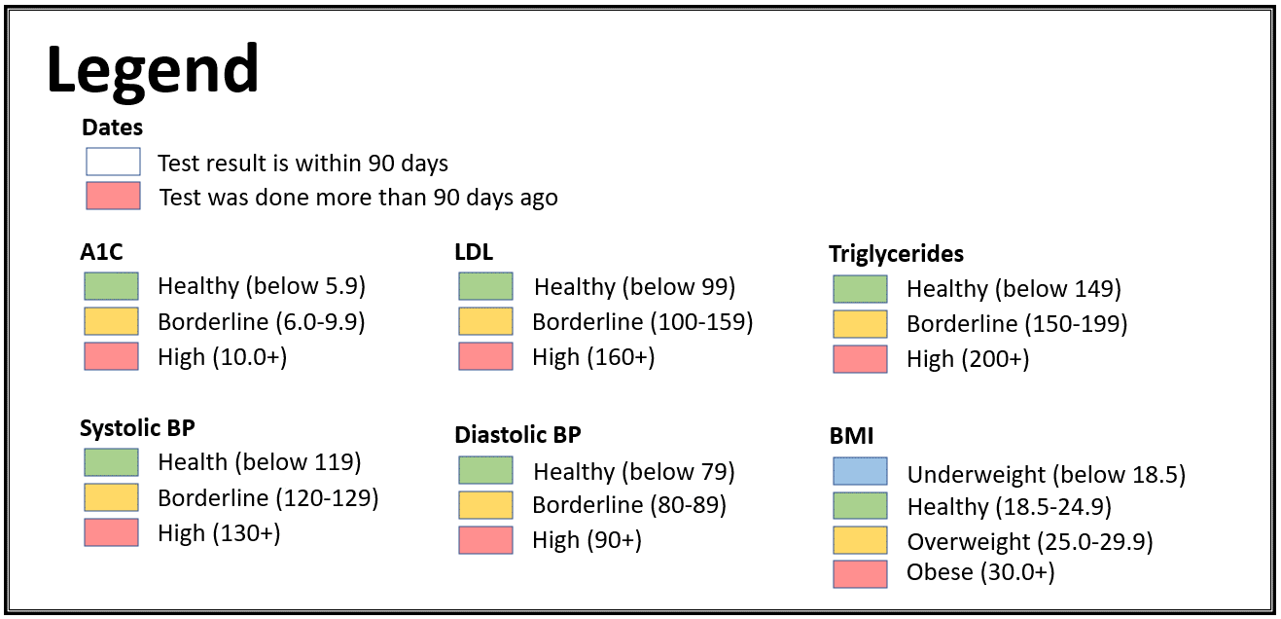

Funded by NIDILRR, #90RTHF0004-01-00, J.A. Cook, PI
https://www.center4healthandsdc.org/diabetes-education-toolkit.html

